Sayfa1
Single Phase Transformer Design

Inputs |  |  |  | Results
Primary Voltage | = | 34.5 | kV | Dimensions |  |  |  | Efficiency & Loss Analysis
Secondary Voltage | = | 25 | kV | Primary Number of Turns, Np | = | 1449 | turns | Primary Winding Resistance, Rp | = | 6.6 | Ω
Secondary Number of Turns, Ns | = | 1050 | turns | Secondary Current, Is | = | 20 | A | Secondary Winding Resistance, Rs | = | 3.5 | Ω
Rating of Transformer | = | 500 | kVA | Primary Current, Ip | = | 14.8 | A | Primary Copper Loss | = | 1.4 | kW
Peak Flux Density in Core, Bmax | = | 1.5 | T | Core Cross Section Area | = | 715 | cm2 | Secondary Copper Loss | = | 1.4 | kW
Operating Frequency | = | 50 | Hz | Width of Core, x | = | 26.7 | cm | Total Copper Loss | = | 2.9 | kW
Current Density, J | = | 3 | A/mm2 | Primary Wire Cross Section Area | = | 4.9 | mm2 | Core Loss | = | 2.8 | kW
Maximum Ambient Temperature | = | 50 | °C | Secondary Wire Cross Section Area | = | 7 | mm2 | Total Loss | = | 5.6 | kW
Fill Factor | = | 0.3 |  | Window Area | = | 471 | cm2 | Efficiency | = | 98.88 | %
Density of Core | = | 7650 | kg/m3 | Core Inner Length, Linner | = | 21.7 | cm
Density of Copper | = | 8960 | kg/m3 | Core Outer Length, Lcore | = | 75.2 | cm | Inductance Calculation
Core Loss | = | 2.62 | W/kg |  |  |  |  | Reluctance of Core | = | 25988 | 1/H
Power Factor | = | 1 |  | Weight Analysis |  |  |  | Magnetizing Inductance, Lm | = | 80.8 | H
Relative Permeability of Core | = | 830 |  | Total Length of Primary Winding | = | 1711 | m | Primary Base Impedance | = | 2333 | Ω
Copper Cost | = | 10 | $/kg | Mass of Primary Winding | = | 76 | kg | Primary Leakage Inductance | = | 148.5 | mH
Core Material Cost | = | 3 | $/kg | Total Length of Secondary Winding | = | 1240 | m | Secondary Leakage Inductance | = | 78.0 | mH
Current Exchange Rate | = | 3.9 | ₺/$ | Mass of Secondary Winding | = | 74 | kg
Electricity Price | = | 0.4 | ₺/kWh | Total Copper Mass | = | 150 | kg | Cost Analysis
 |  |  |  | Core Volume | = | 0.14 | m3 | Core Cost | = | 12,402.9 | ₺
 |  |  |  | Core Mass | = | 1060 | kg | Copper Cost | = | 5,837.1 | ₺
 |  |  |  | Total Mass | = | 1210 | kg | Total Production Cost | = | 18,240.0 | ₺
 |  |  |  |  |  |  |  | Total Losses for 20 Years | = | 395,460.2 | ₺

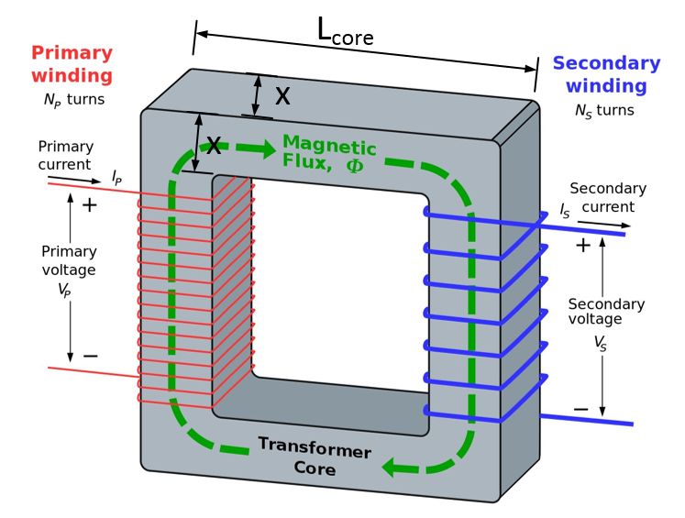
 |  |  |  | Core Material Datasheet

